Dashboard Releated Queries
 | 1. # Registered Devices
SELECT Count(distinct SRC.sys_id) as Registered_Devices FROM png_mdsdb.cmdb_ci_final SRC LEFT JOIN png_mdwdb.d_configuration_item TRGT ON SRC.sys_id=TRGT.row_id AND SRC.sourceinstance=TRGT.source_id LEFT JOIN png_mdwdb.d_lov LKP ON COALESCE(CONCAT('CMDB_CI~INSTALL_STATUS~',UPPER(SRC.install_status)),'UNSPECIFIED')=LKP.row_id AND SRC.sourceinstance=LKP.source_id WHERE ( SRC.sys_id IN (SELECT SRC1.sys_id FROM png_mdsdb.cmdb_ci_hardware_final SRC1 WHERE SRC1.cdctype<>'D' ) OR SRC.sys_id IN (SELECT SRC2.sys_id FROM png_mdsdb.cmdb_ci_storage_device_final SRC2 WHERE SRC2.cdctype<>'D' ) OR SRC.sys_id IN (SELECT SRC3.sys_id FROM png_mdsdb.cmdb_ci_voice_hardware_final SRC3 WHERE SRC3.cdctype<>'D') ) AND LKP.dimension_name NOT IN ('Not Used / Reference','duplicate_invalid','Decommissioned') AND SRC.cdctype<>'D' |  |  |  |  | Total Count | 4612707
 |  |  |  |  | Total Count where Assignment group is not null | 4496733
 |  |  |  |  | Assignment group as UNSPECIFIED | 115974
 |  |  |  |  | Assignment group as UNSPECIFIED

2. # Active Devices
SELECT Count(1) as CNT FROM png_mdsdb.cmdb_ci_final SRC LEFT JOIN png_mdwdb.d_configuration_item TRGT ON SRC.sys_id=TRGT.row_id AND SRC.sourceinstance=TRGT.source_id LEFT JOIN png_mdwdb.d_lov LKP ON COALESCE(CONCAT('CMDB_CI~INSTALL_STATUS~',UPPER(SRC.install_status)),'UNSPECIFIED')=LKP.row_id AND SRC.sourceinstance=LKP.source_id WHERE SRC.sys_id IN (SELECT SRC1.sys_id FROM png_mdsdb.cmdb_ci_hardware_final SRC1 WHERE SRC1.cdctype<>'D' AND SRC1.hardware_status ='Installed') OR SRC.sys_id IN (SELECT SRC2.sys_id FROM png_mdsdb.cmdb_ci_storage_device_final SRC2 WHERE SRC2.cdctype<>'D' AND SRC2.u_pg_hardware_status ='Installed') OR SRC.sys_id IN (SELECT SRC3.sys_id FROM png_mdsdb.cmdb_ci_voice_hardware_final SRC3 WHERE SRC3.cdctype<>'D' AND SRC3.u_pg_hardware_status ='Installed') AND LKP.dimension_name IN ('Leverage/Optimize','Design/Build') AND SRC.cdctype<>'D'

3. # Unregistered Devices
Tenable Source

4.# Unregistered Devices on Disposable Watchlist
Tenable Source

5.# Managed Devices
SELECT (CASE WHEN SRC.sys_class_name IN ('cmdb_ci_win_server','cmdb_ci_computer','cmdb_ci_laptop_pc','cmdb_ci_desktop_pc','u_cmdb_ci_smartphone','u_cmdb_ci_tablet') AND UPPER(COALESCE(SRC1.discovery_source,SRC2.discovery_source,SRC3.discovery_source)) NOT IN ('AUCMDB','INTERSTATES','MARIMBA','AIRWATCH') THEN 'Y' ELSE 'N' END ),TRGT.managed_device_flag_c,Count(1) as CNT FROM png_mdsdb.cmdb_ci_final SRC LEFT JOIN png_mdsdb.cmdb_ci_hardware_final SRC1 ON SRC.sys_id=SRC1.sys_id AND SRC.sourceinstance=SRC1.sourceinstance AND SRC1.cdctype<>'D' LEFT JOIN png_mdsdb.cmdb_ci_storage_device_final SRC2 ON SRC.sys_id=SRC2.sys_id AND SRC.sourceinstance=SRC2.sourceinstance AND SRC2.cdctype<>'D' LEFT JOIN png_mdsdb.cmdb_ci_voice_hardware_final SRC3 ON SRC.sys_id=SRC2.sys_id AND SRC.sourceinstance=SRC2.sourceinstance AND SRC3.cdctype<>'D' LEFT JOIN png_mdwdb.d_configuration_item TRGT ON SRC.sys_id=TRGT.row_id AND SRC.sourceinstance=TRGT.source_id group by 1,2;

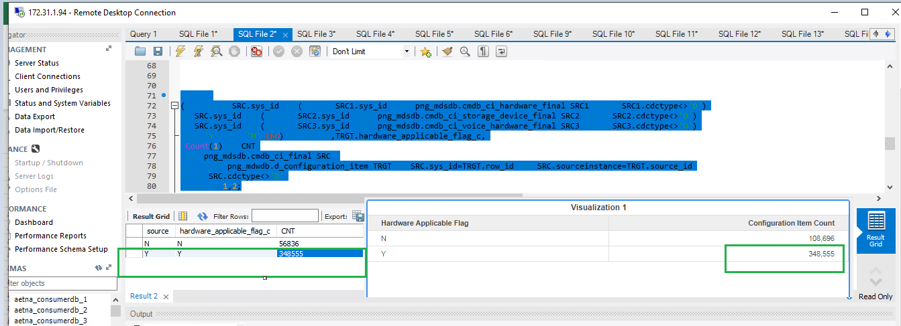
23-Apr-19
 | Hardware Devices
SELECT (CASE WHEN SRC.sys_id IN (SELECT SRC1.sys_id FROM png_mdsdb.cmdb_ci_hardware_final SRC1 WHERE SRC1.cdctype<>'D') OR SRC.sys_id IN (SELECT SRC2.sys_id FROM png_mdsdb.cmdb_ci_storage_device_final SRC2 WHERE SRC2.cdctype<>'D') OR SRC.sys_id IN (SELECT SRC3.sys_id FROM png_mdsdb.cmdb_ci_voice_hardware_final SRC3 WHERE SRC3.cdctype<>'D') THEN 'Y' ELSE 'N' END) AS source,TRGT.hardware_applicable_flag_c, Count(1) as CNT FROM png_mdsdb.cmdb_ci_final SRC LEFT JOIN png_mdwdb.d_configuration_item TRGT ON SRC.sys_id=TRGT.row_id AND SRC.sourceinstance=TRGT.source_id WHERE SRC.cdctype<>'D' Group by 1,2;

Registered Devices

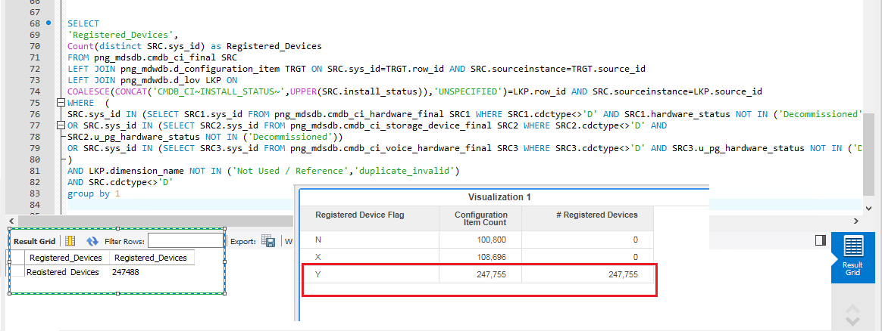
SELECT 'Registered_Devices', Count(distinct SRC.sys_id) as Registered_Devices FROM png_mdsdb.cmdb_ci_final SRC LEFT JOIN png_mdwdb.d_configuration_item TRGT ON SRC.sys_id=TRGT.row_id AND SRC.sourceinstance=TRGT.source_id LEFT JOIN png_mdwdb.d_lov LKP ON COALESCE(CONCAT('CMDB_CI~INSTALL_STATUS~',UPPER(SRC.install_status)),'UNSPECIFIED')=LKP.row_id AND SRC.sourceinstance=LKP.source_id WHERE ( SRC.sys_id IN (SELECT SRC1.sys_id FROM png_mdsdb.cmdb_ci_hardware_final SRC1 WHERE SRC1.cdctype<>'D' AND SRC1.hardware_status NOT IN ('Decommissioned') ) OR SRC.sys_id IN (SELECT SRC2.sys_id FROM png_mdsdb.cmdb_ci_storage_device_final SRC2 WHERE SRC2.cdctype<>'D' AND SRC2.u_pg_hardware_status NOT IN ('Decommissioned')) OR SRC.sys_id IN (SELECT SRC3.sys_id FROM png_mdsdb.cmdb_ci_voice_hardware_final SRC3 WHERE SRC3.cdctype<>'D' AND SRC3.u_pg_hardware_status NOT IN ('Decommissioned')) ) AND LKP.dimension_name NOT IN ('Not Used / Reference','duplicate_invalid') AND SRC.cdctype<>'D' group by 1

 |  | 247389 | 247755 | 366

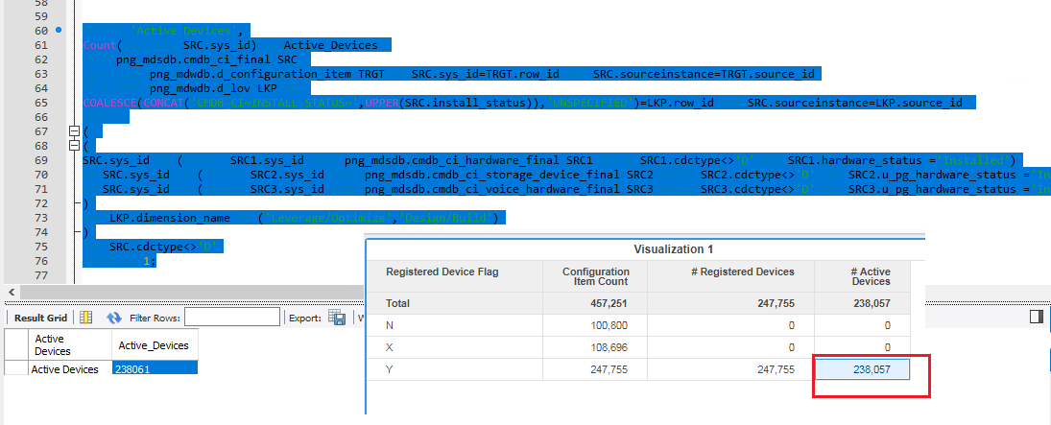
Active Devices
SELECT 'Active Devices', Count(distinct SRC.sys_id) as Active_Devices FROM png_mdsdb.cmdb_ci_final SRC LEFT JOIN png_mdwdb.d_configuration_item TRGT ON SRC.sys_id=TRGT.row_id AND SRC.sourceinstance=TRGT.source_id LEFT JOIN png_mdwdb.d_lov LKP ON COALESCE(CONCAT('CMDB_CI~INSTALL_STATUS~',UPPER(SRC.install_status)),'UNSPECIFIED')=LKP.row_id AND SRC.sourceinstance=LKP.source_id WHERE ( ( SRC.sys_id IN (SELECT SRC1.sys_id FROM png_mdsdb.cmdb_ci_hardware_final SRC1 WHERE SRC1.cdctype<>'D' AND SRC1.hardware_status ='Installed') OR SRC.sys_id IN (SELECT SRC2.sys_id FROM png_mdsdb.cmdb_ci_storage_device_final SRC2 WHERE SRC2.cdctype<>'D' AND SRC2.u_pg_hardware_status ='Installed') OR SRC.sys_id IN (SELECT SRC3.sys_id FROM png_mdsdb.cmdb_ci_voice_hardware_final SRC3 WHERE SRC3.cdctype<>'D' AND SRC3.u_pg_hardware_status ='Installed') ) AND LKP.dimension_name IN ('Leverage/Optimize','Design/Build') ) AND SRC.cdctype<>'D' group by 1;

